Income and Expenses
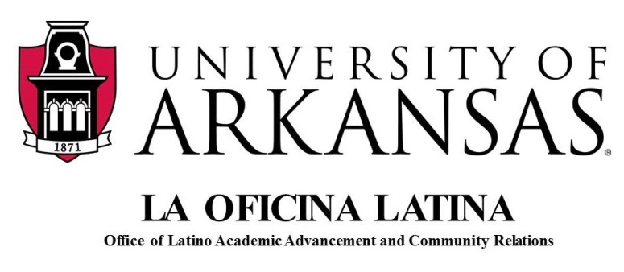

GAP Symposium Final Expenses and Funding

Date: | 12-Jun-14
Time: | 8:00am a 3:30pm
Attendance: | 150 participants

No. | Expense | Total Cost
1 | Keith Jackson's fees | 3,500.00
2 | Coffee, pastries, and lunch | 2,222.44
3 | Jones Center - Venue | 1,200.00
4 | 40 Tableclothes + tax | 223.50
5 | 14 Bouquets of Flowers | 93.42
6 | 30 Vases, thank you cards | 62.51
7 | 150 U of A folders | 165.12
8 | 2 Water cases | 8.32
9 | 3 Students' hours | 243.00
10 | Envelopes, stamps, printing paper por PD certificates | 63.13
11 | 15 Speakers' dinner | 70.91
 |  | $7,852.35
Sources of Funding

No. | Sponsor | Total Cost
1 | Office of Diversity | 1,500.00
2 | OLAA | 500.00
3 | College of Education | 2,000.00
4 | Office of Admissions | 500.00
5 | Office of Diversity and Inclusion WCOB | 500.00
6 | Registration
 | 30 Early bird @ $35.00 each | 1,050.00
 | 34 Regular registration @ $50.00 each | 1,700.00
 | 7 Student rate @ $15.00 each | 105.00
 | 65 Fee Waivers | -
 |  | $7,855.00

 | Surplus | $2.65

